SOI Modifiers
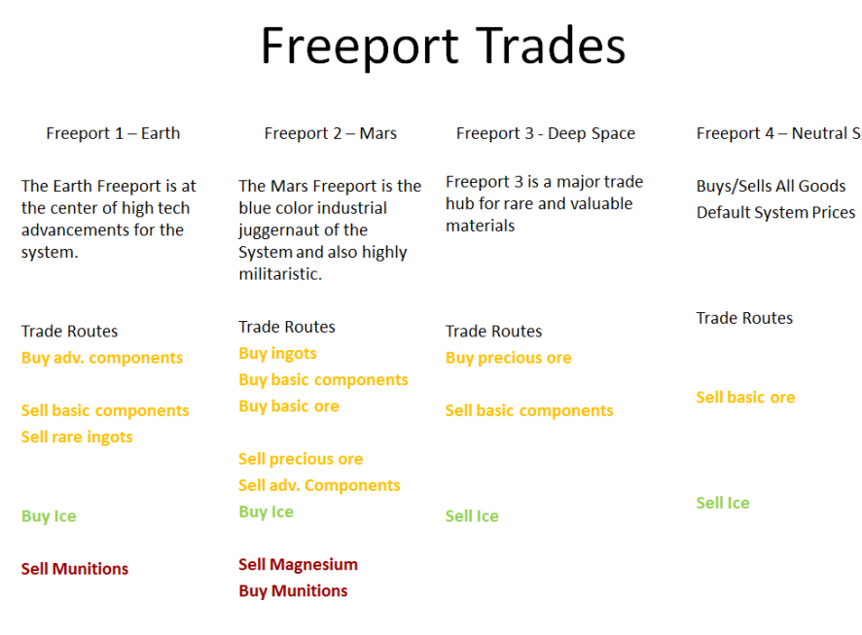
 | Modifiers
 | Freeport 1 |  | Freeport 2 |  | Freeport 3 |  | Freeport 4
 | Buy | Sell | Buy | Sell | Buy | Sell | Buy | Sell
Ore Exclusive | -75 | 10 | -75 | 10 | -75 | 10 | -75 | 10
Ore Rare | -35 | 35 | -20 | 50 | -35 | 15 | -35 | 35
Ore Common | 0 | 50 | -40 | 10 | -25 | 25 | -10 | 40
Ingots Rare | -10 | 40 | -40 | 10 | -40 | 40 | -35 | 35
Ingots Common | -20 | 30 | -40 | 10 | -40 | 40 | -35 | 35
Consumables (except exclusive) | -20 | 20 | -20 | 20 | -20 | 20 | -20 | 20
Ironworks | -35 | 40 | -40 | 10 | -10 | 40 | -35 | 35
G&M | -35 | 40 | -40 | 10 | -10 | 40 | -35 | 35
Electronics | -40 | 10 | -10 | 40 | -25 | 25 | -35 | 35
Adv. Components | -40 | 10 | -10 | 40 | -25 | 25 | -35 | 35
Misc | -20 | 20 | -20 | 20 | -20 | 20 | -15 | 15
Munitions | -10 | 40 | -40 | 10 | -20 | 20 | -10 | 10
Tools | -10 | 10 | -10 | 10 | -20 | 20 | -30 | 30
Weapons | -20 | 30 | -20 | 30 | -20 | 20 | -10 | 10
Bottles | -10 | 10 | -10 | 10 | -20 | 20 | -30 | 30
 | Modifiers Percentage
 | Freeport 1 |  | Freeport 2 |  | Freeport 3 |  | Freeport 4
 | Buy | Sell | Buy | Sell | Buy | Sell | Buy | Sell
Ore Exclusive | -0.75 | 0.1 | -0.75 | 0.1 | -0.75 | 0.1 | -0.75 | 0.1
Ore Rare | -0.35 | 0.35 | -0.2 | 0.5 | -0.35 | 0.15 | -0.35 | 0.35
Ore Common | 0 | 0.5 | -0.4 | 0.1 | -0.25 | 0.25 | -0.1 | 0.4
Ingots Rare | -0.1 | 0.4 | -0.4 | 0.1 | -0.4 | 0.4 | -0.35 | 0.35
Ingots Common | -0.2 | 0.3 | -0.4 | 0.1 | -0.4 | 0.4 | -0.35 | 0.35
Consumables (except exclusive) | -0.2 | 0.2 | -0.2 | 0.2 | -0.2 | 0.2 | -0.2 | 0.2
Ironworks | -0.35 | 0.4 | -0.4 | 0.1 | -0.1 | 0.4 | -0.35 | 0.35
G&M | -0.35 | 0.4 | -0.4 | 0.1 | -0.1 | 0.4 | -0.35 | 0.35
Electronics | -0.4 | 0.1 | -0.1 | 0.4 | -0.25 | 0.25 | -0.35 | 0.35
Adv. Components | -0.4 | 0.1 | -0.1 | 0.4 | -0.25 | 0.25 | -0.35 | 0.35
Misc | -0.2 | 0.2 | -0.2 | 0.2 | -0.2 | 0.2 | -0.15 | 0.15
Munitions | -0.1 | 0.4 | -0.4 | 0.1 | -0.2 | 0.2 | -0.1 | 0.1
Tools | -0.1 | 0.1 | -0.1 | 0.1 | -0.2 | 0.2 | -0.3 | 0.3
Weapons | -0.2 | 0.3 | -0.2 | 0.3 | -0.2 | 0.2 | -0.1 | 0.1
Bottles | -0.1 | 0.1 | -0.1 | 0.1 | -0.2 | 0.2 | -0.3 | 0.3
 | Modifiers Multiplier
 | Freeport 1 |  | Freeport 2 |  | Freeport 3 |  | Freeport 4
 | Buy | Sell | Buy | Sell | Buy | Sell | Buy | Sell
Ore Exclusive | 0.25 | 1.1 | 0.25 | 1.1 | 0.25 | 1.1 | 0.25 | 1.1
Ore Rare | 0.65 | 1.35 | 0.8 | 1.5 | 0.65 | 1.15 | 0.65 | 1.35
Ore Common | 1 | 1.5 | 0.6 | 1.1 | 0.75 | 1.25 | 0.9 | 1.4
Ingots Rare | 0.9 | 1.4 | 0.6 | 1.1 | 0.6 | 1.4 | 0.65 | 1.35
Ingots Common | 0.8 | 1.3 | 0.6 | 1.1 | 0.6 | 1.4 | 0.65 | 1.35
Consumables (except exclusive) | 0.8 | 1.2 | 0.8 | 1.2 | 0.8 | 1.2 | 0.8 | 1.2
Ironworks | 0.65 | 1.4 | 0.6 | 1.1 | 0.9 | 1.4 | 0.65 | 1.35
G&M | 0.65 | 1.4 | 0.6 | 1.1 | 0.9 | 1.4 | 0.65 | 1.35
Electronics | 0.6 | 1.1 | 0.9 | 1.4 | 0.75 | 1.25 | 0.65 | 1.35
Adv. Components | 0.6 | 1.1 | 0.9 | 1.4 | 0.75 | 1.25 | 0.65 | 1.35
Misc | 0.8 | 1.2 | 0.8 | 1.2 | 0.8 | 1.2 | 0.85 | 1.15
Munitions | 0.9 | 1.4 | 0.6 | 1.1 | 0.8 | 1.2 | 0.9 | 1.1
Tools | 0.9 | 1.1 | 0.9 | 1.1 | 0.8 | 1.2 | 0.7 | 1.3
Weapons | 0.8 | 1.3 | 0.8 | 1.3 | 0.8 | 1.2 | 0.9 | 1.1
Bottles | 0.9 | 1.1 | 0.9 | 1.1 | 0.8 | 1.2 | 0.7 | 1.3

